Hoja1
tiempo (mseg) | Verbo
2305 | PUT | LT Opinion Favorable | PUT https://gateway-apim-test.vuce.gob.pe/pass-through-https-cert/cp2/processdue/1.0/camunda/init PUT data: {"acronimo":"LT","tipoSeguimientoId":3,"document":"","documentInstance":"","body":{"escalaId":2578,"tipoSegId":3,"rucUsuario":"20551239692","razonSocial":"Migraciones","indNil":false,"acronimoDocumento":"LT","indicadorEs":"S","comentario":"OK","estado":"S"},"anuncio":false,"id":null,"registerArrival":false,"directReception":false,"corrected":false,"requiredNill":false,"escalaId":0,"acronymList":["LT","LP","CP","PR","DGZ","SPS"]} Cookie Data: e19e89706b5d8b9d38f2c7b97789595f=02eab4bf912e876c5b5a6a810c1bcd32; d075027fe0659124e82d0cca78c14a7e=5d4e0342d72cb13ca4514b24b099123d; 76cd310a30e31ac6d073b87e2fd8499f=02eab4bf912e876c5b5a6a810c1bcd32; ab232e2010a3b387e0318ec1a684ffd7=ea3a92d393633bb5e37ee56869aee6ef; 8e5f414894a44e9c0e7904420399d398=02eab4bf912e876c5b5a6a810c1bcd32; eaa2ab7b51ed1ae84a2bf6b9dde9f79c=4dc9c63b2d42187013636516ae8a03d3; 869f3c2621ec09646ef0e3ca3cf23228=f1bcf653292620c447f78a24f15d4c75; c2fe9f5b081f2719826235e0643aa86d=fe08f9cce3325ae52a7d83e952328ad6; NSC_ESNS=0073a667-0b1f-18cf-9678-506b8d922501_2370420059_2348478714_00000000004301659822
473 | PUT | CP Opinion Favorable | PUT data: {"acronimo":"CP","tipoSeguimientoId":3,"document":"","documentInstance":"","body":{"escalaId":2578,"tipoSegId":3,"rucUsuario":"20153408191","razonSocial":"DICAPI","indNil":true,"acronimoDocumento":"CP","indicadorEs":"S","comentario":"OK","estado":"S"},"anuncio":false,"id":null,"registerArrival":false,"directReception":false,"corrected":false,"requiredNill":false,"escalaId":0,"acronymList":["LT","LP","CP","PR","DGZ","SPS"]} Cookie Data: e19e89706b5d8b9d38f2c7b97789595f=02eab4bf912e876c5b5a6a810c1bcd32; d075027fe0659124e82d0cca78c14a7e=5d4e0342d72cb13ca4514b24b099123d; 76cd310a30e31ac6d073b87e2fd8499f=02eab4bf912e876c5b5a6a810c1bcd32; ab232e2010a3b387e0318ec1a684ffd7=ea3a92d393633bb5e37ee56869aee6ef; NSC_ESNS=006b8221-0bf6-18cf-9678-506b8d922501_4029277367_4137334266_00000000004301665183

4 | POST |  | POST https://authorize-test.vuce.gob.pe/clm10 POST data: {"ns":1758142371974,"fs":1758142372240,"dls":1758142372240,"dle":1758142372240,"cs":1758142372240,"ce":1758142372240,"rqs":1758142372243,"rss":1758142372255,"rse":1758142372257,"dl":1758142372264,"di":1758142372381,"dcls":1758142372381,"dcle":1758142372383,"dc":1758142372481,"ls":1758142372481,"le":1758142372481,"tid":1310267,"pid":275116664,"ac":"AAAAAAW1UwaflSOBXTG2k8qgdDlEQLVErguZSkuR/Gs7t/Krk9AJbki0/9tdzja417TVyuPB8TIjDSnnddR6XGq6i9AF"} [no cookies]

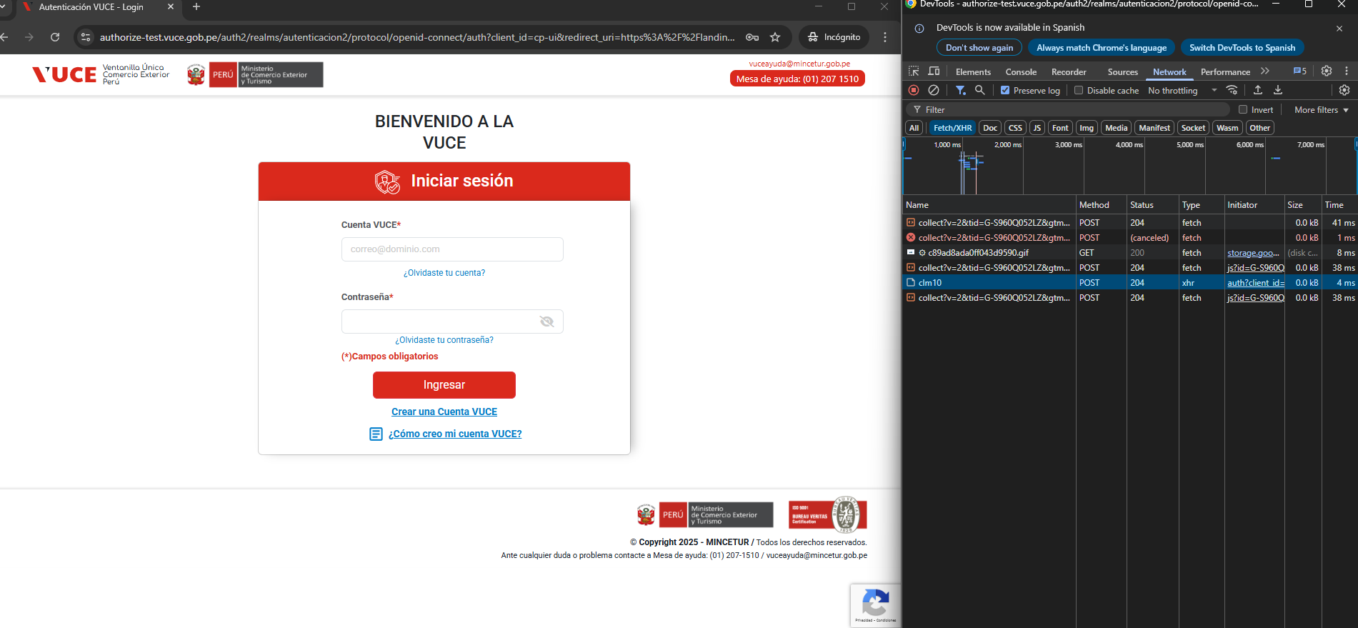

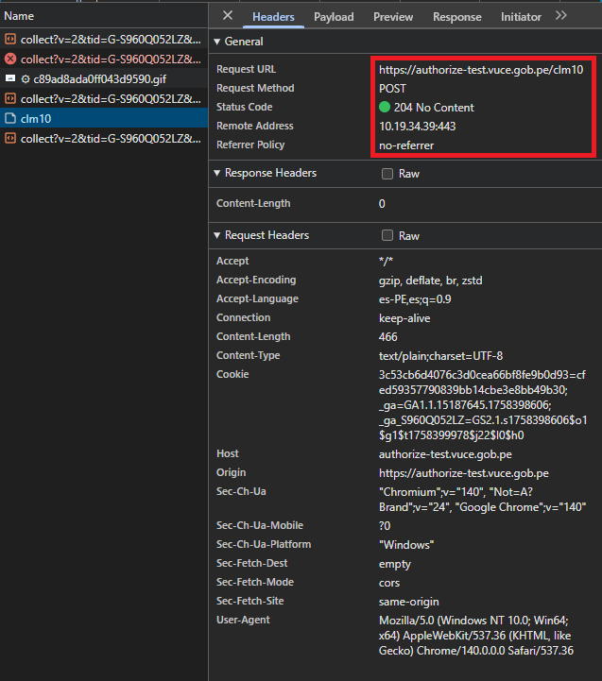

 | POST |  | https://gateway-apim-test.vuce.gob.pe/pass-through-https-cert/cp2/gestionduenave-command/1.0/despacho
 |  | Genera Autorización de Despacho | POST https://gateway-apim-test.vuce.gob.pe/pass-through-https-cert/cp2/gestionduenave-command/1.0/despacho POST data: {"tipoSeguimiento":39,"escalaId":2578,"descripcion":"EXCELENTE","guidSinMarca":"","guidConMarca":"","pdfAuthUrlBase":"https://landing-test.vuce.gob.pe/"}

